Diagram Memory v Storage
Computer Memory vs. Storage

Fill in the blanks using the following descriptions |  | CPU
Application software
Cache | System Unit
Hardware
CPU |  |  | Cache
External devices |  | Memory
Input peripherals |  |  |  | ROM
Main Memory |  |  | Main Memory
Memory | System Buses
Operating software |  |  |  | RAM
Output peripherals |  | Secondary Storage
Computer
RAM
ROM | External Devices | Input Peripherals
Secondary Storage
System buses |  | Output peripherals
System Unit

 | Operating Software
Software

 | Application Software

Logic Gates and Truth Tables
Network Questions |  | Responses
Q1 | What are Logic gates? | Building blocks of a digital circuit. Designed to perform logical operations in digital systems.

Q2 | What are the three Basic Logic Gates? | AND, OR, NOT

Q3 | What are Universal Gates? | The inverse of the basic logic gates AND, OR

Q4 | What are the two Universal Logic Gates? | NOR, NAND

Q5 | What are the two Derived Logic Gates? | XOR, XNOR

Q6 | This is a symbol of what type of gate? | AND
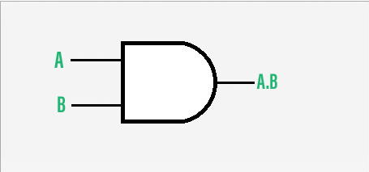

Q7 | For the Truth Table of an AND Gates, fill in the output section of the table. |  | Input A | Input B | Output
 |  |  | A | B | A AND B
 | AND gate can accept two or more than two input values at a time. |  | 0 | 0 | 0
 | When all of the inputs are logic 1, the output of this gate is logic 1. |  | 0 | 1 | 0
 |  |  | 1 | 0 | 0
 |  |  | 1 | 1 | 1

Q8 | This is a symbol of what type of gate? | NOR
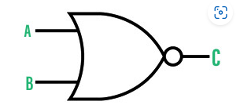

Q9 | For the Truth Table of an NAND Gates, fill in the output section of the table. |  | Input A | Input B | Output
 |  |  | A | B | A NAND B
 | NAND gate can take two or more inputs at a time and produces one output based on the combination of inputs applied. |  | 0 | 0 | 1
 | NAND gate produces a low or logic 0 output only when its all inputs are high or logic 1. |  | 0 | 1 | 1
 |  |  | 1 | 0 | 1
 |  |  | 1 | 1 | 0

Q10 | What is the Boolean expression for OR gate? | Z = A + B

